Title Page
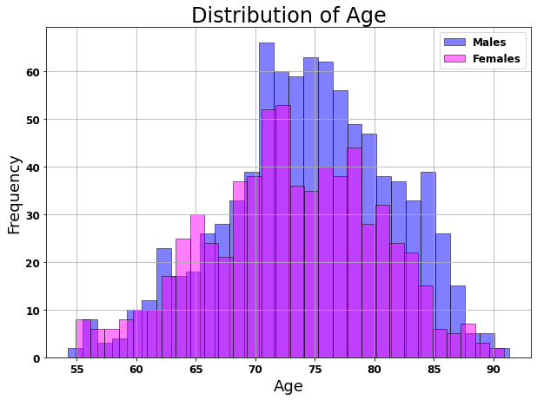
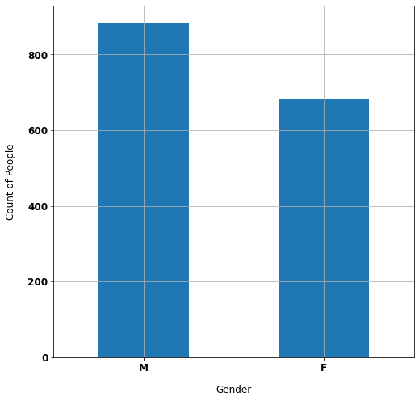
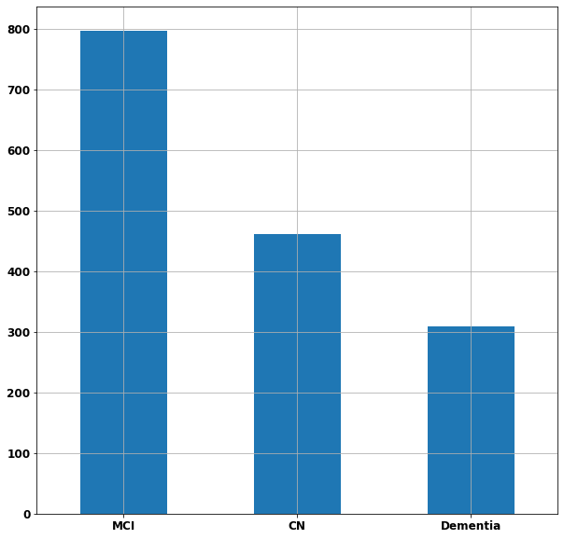
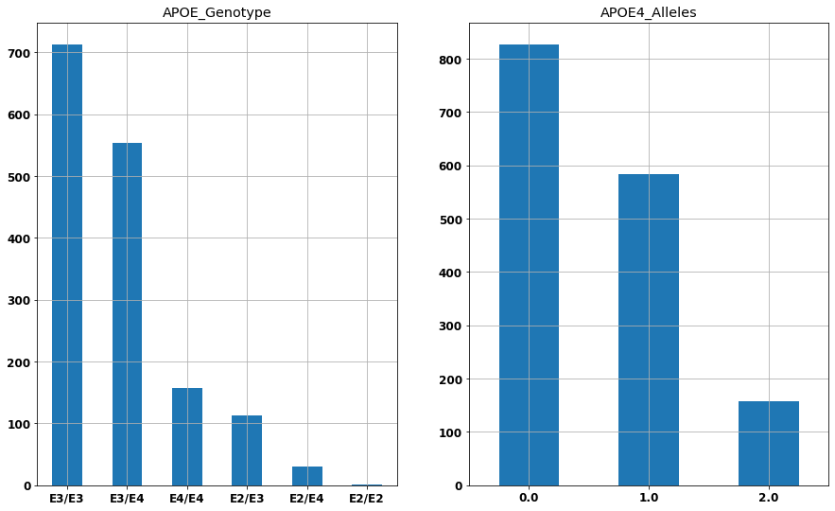
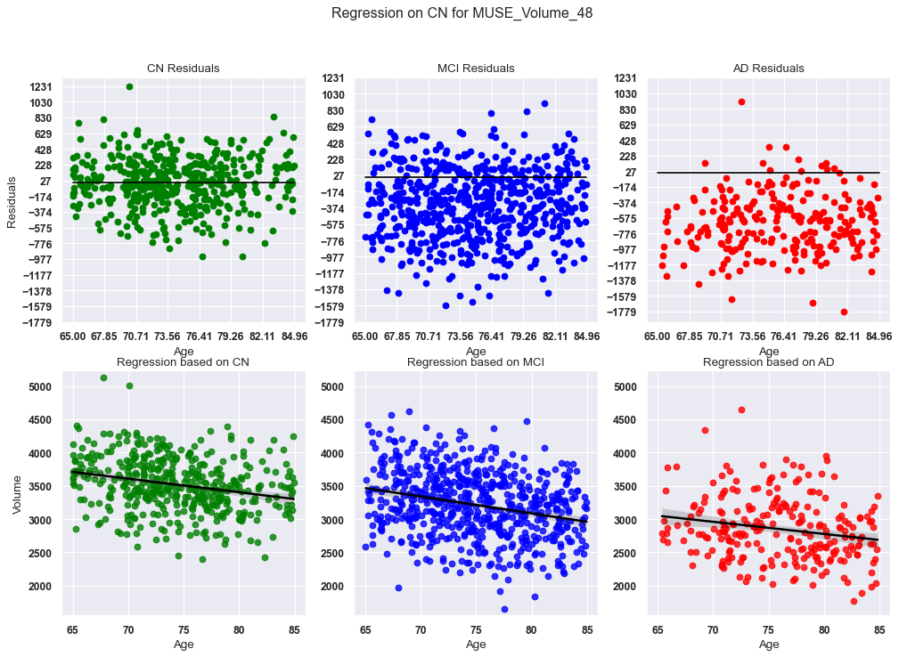
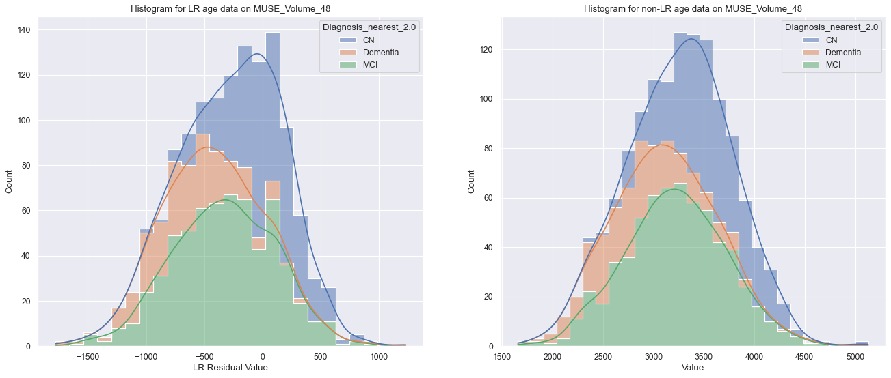
Results

Every page of this workbook contains results that are from different methods applied on the data from the ADNI Dataset. The data have been processed through Linear Regression to remove any unwanted Age, Sex, and Brain Size effect. The charts below showcase the nature of the data:

